Sheet1
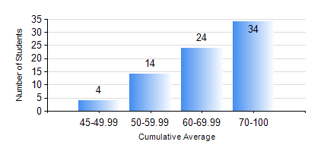
 |  |  | KWAME NKRUMAH UNIVERSITY OF SCIENCE AND TECHNOLOGY, KUMASI Department of Mechanical Engineering

 |  |  | BSC. AEROSPACE ENG., General Option

 |  |  | COMPREHENSIVE RECORD OF EXAMINATION RESULTS

 |  |  | RESULTS OF YEAR 3 SECOND SEMESTER, 2023/2024 ACADEMIC YEAR

 | Sn | Course Code |  | Course Name | Credit Hours | Min. Mark | Max. Mark | Avg. Mark | Std. Dev. | No. Passed | No. Trailed | No. (Df) | No. (I) | No. (I*) | No. Tagged(I,I*,Df) | Total
 | 0. |  |  |  |  |  |  | 0 | 0 | 0 | 0 | 0 | 0 | 0 | 0 | 1
 | 1. | AERO 362 |  | AIR VEHICLE STABILITY AND CONTROL | 3 | 53 | 87 | 70 | 7.72 | 74 | 0 | 0 | 0 | 0 | 0 | 74
 | 2. | AERO 368 |  | PROPULSION | 3 | 22 | 95 | 63 | 13.48 | 74 | 1 | 0 | 0 | 0 | 0 | 75
 | 3. | AERO 374 |  | AIRCRAFT PERFORMANCE AND DESIGN | 3 | 30 | 93 | 71 | 15.13 | 73 | 1 | 0 | 0 | 0 | 0 | 74
 | 4. | AERO 396 |  | AEROSPACE ENGINEERING LAB II | 1 | 64 | 75 | 66 | 2.24 | 74 | 0 | 0 | 0 | 0 | 0 | 74
 | 5. | ME 362 |  | VIBRATIONS I | 3 | 32 | 78 | 54 | 11.02 | 69 | 5 | 0 | 0 | 0 | 0 | 74
 | 6. | ME 366 |  | HEAT TRANSFER | 3 | 42 | 87 | 62 | 10.57 | 74 | 0 | 0 | 0 | 0 | 0 | 74
 | 7. | ME 392 |  | INDUSTRIAL ENGINEERING AND ERGONOMICS | 2 | 30 | 94 | 59 | 14.02 | 72 | 2 | 0 | 0 | 0 | 0 | 74

